★List of Used Machines
INTERNAL CONFIDENTIAL

Mimaki Factory Recertified List |  |  |  |  |  |  |  |  |  |  |  | 2026-08-26
Inkjet Printers: -U refers to a machine that has been installed with ink fill and then returned or replaced and repaired.
Cutters: -U refers to a machine that has been installed and used, then returned or replaced and repaired.
# | Item number | Serial number | WH | Warranty | MSRP | Dealer Price | Special MSRP Price | Special Dealer Price | Comments | points (crate) | points (machine) | accessories/ installation kit | ink type
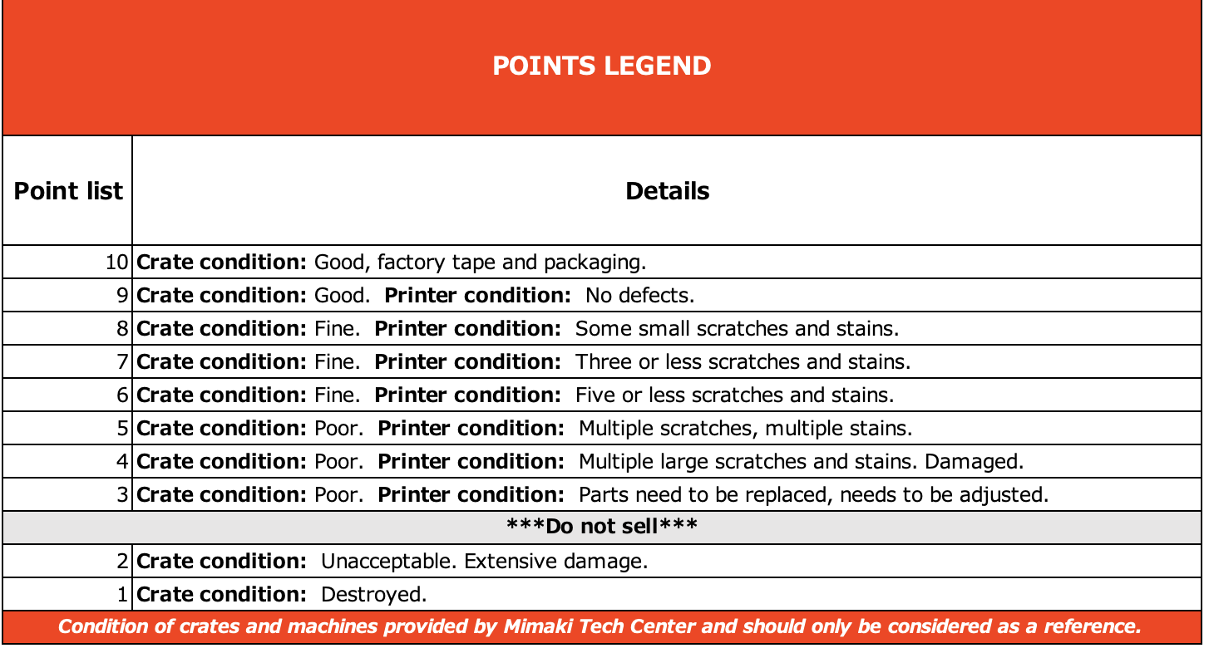
1 | CJV330-160-U | DQ1BB017 | CORP | 1 year | $24,195 | $15,397 | $13,283 | $10,888 | Printer returned due to "Unresolvable errors". Installed current FCO . Added missing extensions to the stand. Installed new caps & 2 new dampers. Electric & mechanical adjustments done. Replaced 1 clogged waste ink line. Machine printed to standards. No leaks. take up test ran within standards. The Manuals are not included . Will have to be downloaded from the web site. New Crate. Machine ready to be sold. | 10 | 8 | Yes | BS4
2 | TxF150-75-U | FD36B436 | CORP | 1 year | $11,995 | $11,996 | $6,585 | $5,398 | Printer was returned due to white ink leaking. Changed Printhead, white dampers, upgraded firmware to 3.0.9. changed cap and wiper. Provided good test print and good print quality and no white ink leak. Machine has some cosmetic damage, see pics. Accessories confirmed. download missing manuals from the website. | 10 | 9 | Yes | PHT50
3 | TxF150-75-U | FD36B589 | CORP | 1 year | $11,995 | $11,996 | $6,585 | $5,398 | Printer was returned due to white ink drop out. The dropout was corrected with new Dampers and updated firmware. Multiple prints ran with no drop out. Screwdriver, tweezers, & allen wrench are missing from the accesory kit. Picture of the accessories below. Ready to be sold as -U | 10 | 9 | Yes | PHT50
4 | JV330-130-NS-U | EQ24B084 | CORP | 1 year | $18,000 | $11,197 | $9,882 | $8,100 | Printer was swapped for a JV330-160. Machine was ink'd up and flushed after receiving a good test print and testing the take up. Machine has cosmetic damage. | 10 | 9 | Yes | SS21
5 | JV330-160-U | DP2BB640 | CAT | 1 year | $23,095 | $14,697 | $12,679 | $10,393 | This unit was used for ISA 2024. machine was flushed properly and reinspected at Crane Atlanta 4/19/2024. Some sratches on top cover of machine. | 10 | 3 | Yes | SS21
6 | UJV100-160-U | BV23E028 | CORP | 1 year | $15,722 | $10,005 | $8,631 | $7,075 | Replaced both printheads and flashed factory parameters to register the correct serial # into the machine. Test print in the pics show serial# bv03e295. Replaced 2 rear ink supply covers capping station. Machine has some scratched and ink stains. | 9 | 8 | Yes | LUS170
7 | TxF150-75-U | FD32B103 | ATC | 1 year | $11,995 | $11,996 | $6,585 | $5,398 | This printer was ink'd up and flushed after receiving a good test print and succesfuly printing samples.this machine does have some cosmetic damage, please see the pictures. Box 2 of accessories list is unopened and brand new from Japan, with new crate | 10 | 9 | Yes | PHT50
8 | TxF150-75-U | FD37B697 | ATC | 1 year | $11,995 | $11,996 | $6,585 | $5,398 | This printer was ink'd up and flushed after receiving a good test print and succesfuly printing samples.this machine does have some cosmetic damage, please see the pictures. Box 2 of accessories list is unopened and brand new from Japan, new crate | 10 | 9 | Yes | PHT50
9 | TS100-1600-U | CV2CE095 | CAO | 1 year | $10,994 | $7,873 | $6,036 | $4,947 | Printer returned due to constant magenta drop out both heads, machine was repaired and washed out. Ready to be sold locally in Toronto Canada as is with no crate. Missing rasterlink box | 6 | 6 | Yes | SB610
10 | JV330-130-NS-U | EQ28B167 | CORP | 1 year | $18,000 | $13,297 | $9,882 | $8,100 | Machine was returned due to it being used before and was sold as a new unit. Machine was ink'd up and tested . Received a good test print. Both heads were replaced and both pumps in the ink supply unit were replaced. Filters in ink supply unit were bypassed. new dampers in the ink supply unit as well. | 10 | 9 | Yes | SS21
13 | CJV330-130-NS-U | ER1BB005 | CORP | 1 year | $18,500 | $13,875 | $10,157 | $8,325 | This machine was used at the trade show. It is a machine that has already been repaired once. The accessories have been checked, it has some stains, and the equipment can be sold as used. | 8 | 7 | Yes | N/A
14 | JV330-160-U | DP1BB021 | CORP | 1 year | $23,095 | $14,697 | $12,679 | $10,393 | Parts were replaced and Assembled, and the machine test was performed successfully. Test prints were good, and the machine is functioning properly with no operational issues. The machine has scratches and ink stains. The MBIS is like new. | 9 | 4.9 | Yes | SS21
16 | JFX600-2513-U | DE5AB224 | CAT | 1 year | $203,304 | $152,478 | $124,015 | $101,652 | Machine used at trade show (ISA2026). | 9 | 9 | Yes | LUS170
17 | CG-130AR-U | DD58K348 | ATC | 1 year | $2,882 | $2,450 | $1,758 | $1,441 | Machine used at the ISA 2026 Trade Show. It is in good working condition and shows some scratches on the leg stay. Accessories have been checked and verified, and the box is in good condition. | 9 | 8 | Yes | N/A

Inkjet Printers: -R refers to a machine that has been returned or replaced without ink fill and repaired.
Cutters: -R refers to a machine that was unused, returned or replaced and repaired (including machines that have been installed but have never been used)
1 | JV330-160-R | DP28B493 | CAT | 1 year | $23,095 | $14,697 | $14,088 | $11,548 | Printer returned due to Freight Damage. The Heater was bent back in place. Slight dint at the bottom can be seen. Base IO was replaced due to System Halt b1a: PCB Base IO Error. With slight cosmetic damage to the heater the machine is ready to be sold as is. Cosmetic damage does not affect the print quality or feeding. | 9 | 8 | Yes | N/A - Never Inked Up
2 | JV330-160-NS-R | DP1CB203 | CORP | 1 year | $18,500 | $13,997 | $11,285 | $9,250 | Machine was returned due to freight damage. Damaged covers and post heater were replaced. Machine is in an Exhibitus Crate.Accesories are accounted for. Some boxes were unopened | 9 | 9 | Yes | N/A
3 | UJV300DTF-75-R | HR53B085 | CLA | 1 year | $29,995 | $22,496 | $18,297 | $14,998 | This machine was brought back due to shipping damaged. The crate was damaged. Replaced complete crate. Turn on printer to ensure no errors. Therefore machine can be sold as new. | 9 | 10 | Yes | N/A
4 | TS100-1600-R | CV48E660 | CORP | 1 year | $10,994 | $8,194 | $6,706 | $5,497 | This machine was brought back due to shipping damaged. The damaged parts were replaced, and a wooden crate was used. The equipment is in good condition | 10 | 8 | Yes | N/A
5 | CG-60AR-R | DB27K456 | CAT | 1 year | $1,154 | $981 | $704 | $577 | Replaced Left Cover . Turned on machine and no errors. | 10 | 10 | Yes | N/A
6 | CG-60AR-R | DB47K593 | CAT | 1 year | $1,154 | $981 | $704 | $577 | Machine used at the trade show, has a stain and a broken part as shown in the photo ,Wear on the Teflon, but it does not affect the machine's functionality. | 8 | 8 | Yes | N/A
9 | CJV330-130-NS-R | ER2AB155 | ATC | 1 year | $18,500 | $13,875 | $11,285 | $9,250 | The parts that had issues were replaced. Accessories were reviewed. Machine was in good codition and ready to sell. The box is not from the same serial but is original box for machine. | 9 | 9 | Yes | N/A
10 | CG-60AR-R | DB58K803 | ATC | 1 year | $1,154 | $981 | $704 | $577 | The machine was good codition, already cut tested machine works perfect . | 10 | 10 | Yes | N/A
11 | TXF300-1600-RC | GV48B049 | ATC | 1 year | $18,925 | $14,194 | $11,544 | $9,463 | The damaged part was replaced, accessories box were fixed, external cleaning was performed, and the accessories were inspected. The machine has been completed. | 9 | 9 | Yes | N/A

